Guidance
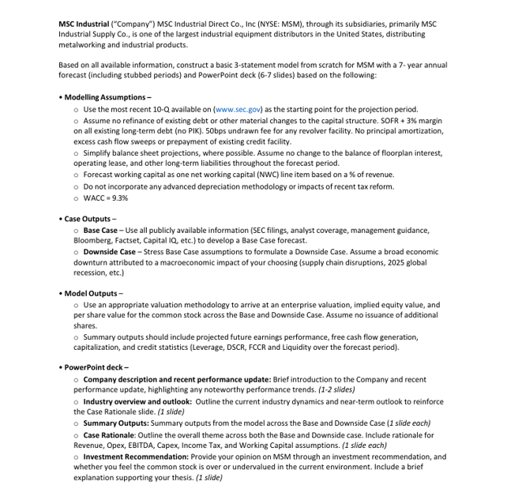

Presentation
 | 2024-12-31 | 2025-12-31 | 2026-12-31 | 2027-12-31 | 2028-12-31 | 2029-12-31 | 2030-12-31 | 2031-12-31 |  | 2024-12-31 | 2025-12-31 | 2026-12-31 | 2027-12-31 | 2028-12-31 | 2029-12-31 | 2030-12-31 | 2031-12-31 |  | 2025-12-31 | 2026-12-31 | 2027-12-31 | 2028-12-31 | 2029-12-31 | 2030-12-31 | 2031-12-31
Revenue | $3,820,846 | $3,800,977 | $3,978,863 | $4,240,672 | $4,373,829 | $4,592,521 | $4,765,934 | $4,986,845 | Revenue | $3,820,846 | $3,629,803 | $3,520,909 | $3,520,909 | $3,591,328 | $3,699,067 | $3,838,744 | $4,016,678 | Δ Revenue | $(171,174) | $(457,954) | $(719,763) | $(782,502) | $(893,453) | $(927,190) | $(970,167)
EBITDA | $478,337 | $484,191 | $506,657 | $555,268 | $564,646 | $584,685 | $612,013 | $641,407 | EBITDA | $478,337 | $371,641 | $377,924 | $415,251 | $434,897 | $470,937 | $492,949 | $516,624 | Δ EBITDA | $(112,550) | $(128,733) | $(140,017) | $(129,749) | $(113,748) | $(119,064) | $(124,783)
EBIT | $396,112 | $406,509 | $426,295 | $470,492 | $476,396 | $490,701 | $515,487 | $540,590 | EBIT | $396,112 | $297,457 | $306,812 | $344,864 | $362,436 | $395,237 | $415,201 | $435,420 | Δ EBIT | $(109,052) | $(119,483) | $(125,628) | $(113,960) | $(95,464) | $(100,286) | $(105,169)
Net Income | $266,918 | $277,603 | $291,954 | $323,882 | $327,513 | $337,671 | $356,290 | $374,378 | Net Income | $266,918 | $195,977 | $203,602 | $231,975 | $244,651 | $269,173 | $284,156 | $298,778 | Δ Net Income | $(81,626) | $(88,352) | $(91,907) | $(82,862) | $(68,497) | $(72,134) | $(75,600)
Free Cash Flow | $257,156 | $329,315 | $275,756 | $281,751 | $320,126 | $306,574 | $342,268 | $350,799 | Free Cash Flow | $257,156 | $186,827 | $264,326 | $278,154 | $251,876 | $270,292 | $271,275 | $279,079 | Δ Free Cash Flow | $(142,488) | $(11,430) | $(3,597) | $(68,250) | $(36,282) | $(70,994) | $(71,720)
Equity Value | $4,045,943 |  |  |  |  |  |  |  | Equity Value | $3,198,602
Market Capitalization | $4,129,224 |  |  |  |  |  |  |  | Market Capitalization | $3,203,018

 | 2024-12-31 | 2025-12-31 | 2026-12-31 | 2027-12-31 | 2028-12-31 | 2029-12-31 | 2030-12-31 | 2031-12-31 |  | 2024-12-31 | 2025-12-31 | 2026-12-31 | 2027-12-31 | 2028-12-31 | 2029-12-31 | 2030-12-31 | 2031-12-31 |  | 2025-12-31 | 2026-12-31 | 2027-12-31 | 2028-12-31 | 2029-12-31 | 2030-12-31 | 2031-12-31
Debt-to-EBITDA | 1.10 | 1.06 | 1.04 | 0.97 | 0.98 | 0.97 | 0.94 | 0.92 | Debt-to-EBITDA | 1.10 | 1.41 | 1.38 | 1.22 | 1.17 | 1.08 | 1.06 | 1.02 | Revenue | -5.0% | -3.0% | 0.0% | 2.0% | 3.0% | 3.8% | 4.6%
Interest Coverage | 21.08 | 21.68 | 22.87 | 25.57 | 26.22 | 27.37 | 29.11 | 30.88 | Interest Coverage | 21.08 | 15.87 | 16.50 | 18.71 | 19.77 | 21.77 | 23.07 | 24.51 | Δ COGS % Revenue | 1.0% | 0.8% | 0.5% | 0.3% | 0.0% | 0.0% | 0.0%
Debt Service Coverage Ratio | 22.81 | 23.16 | 24.38 | 27.07 | 27.87 | 29.23 | 30.97 | 32.82 | Debt Service Coverage Ratio | 22.81 | 17.78 | 18.23 | 20.21 | 21.29 | 23.28 | 24.59 | 26.09 | Δ OpEx % Revenue | 1.5% | 1.2% | 0.8% | 0.5% | 0.0% | 0.0% | 0.0%
Fixed Charge Coverage Ratio | 11.90 | 13.51 | 13.79 | 14.39 | 14.26 | 14.37 | 15.04 | 15.32 | Fixed Charge Coverage Ratio | 11.90 | 10.83 | 11.17 | 12.05 | 12.34 | 13.09 | 13.69 | 14.00 | Δ NWC % Revenue | 2.4% | 1.8% | 0.6% | 0.3% | 0.0% | 0.0% | 0.0%
Current Ratio | 2.11 | 2.09 | 2.12 | 2.17 | 2.18 | 2.22 | 2.24 | 2.27 | Current Ratio | 2.11 | 2.16 | 2.17 | 2.18 | 2.19 | 2.22 | 2.24 | 2.27 | Δ CapEx % Revenue | -0.3% | -0.2% | -0.1% | -0.1% | 0.0% | 0.0% | 0.0%
Quick Ratio | 0.77 | 0.77 | 0.78 | 0.79 | 0.80 | 0.81 | 0.82 | 0.82 | Quick Ratio | 0.77 | 0.79 | 0.79 | 0.80 | 0.80 | 0.81 | 0.82 | 0.82 | Δ Other % Revenue | -0.4% | -0.4% | -0.3% | -0.2% | 0.0% | 0.0% | 0.0%

Earnings
Valuation
Earnings
Valuation

